Lightos_v2
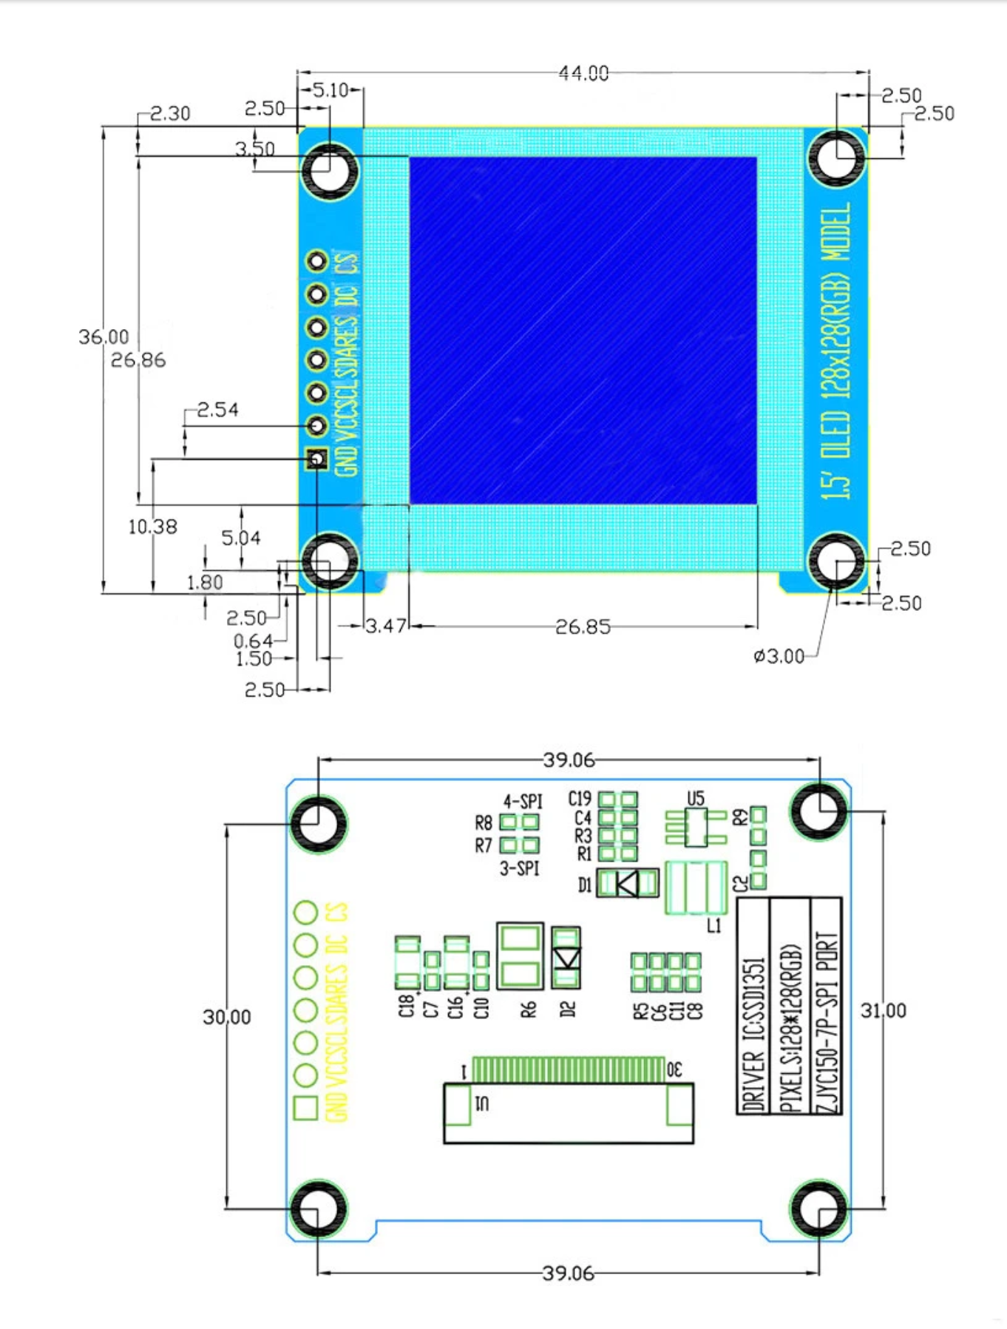
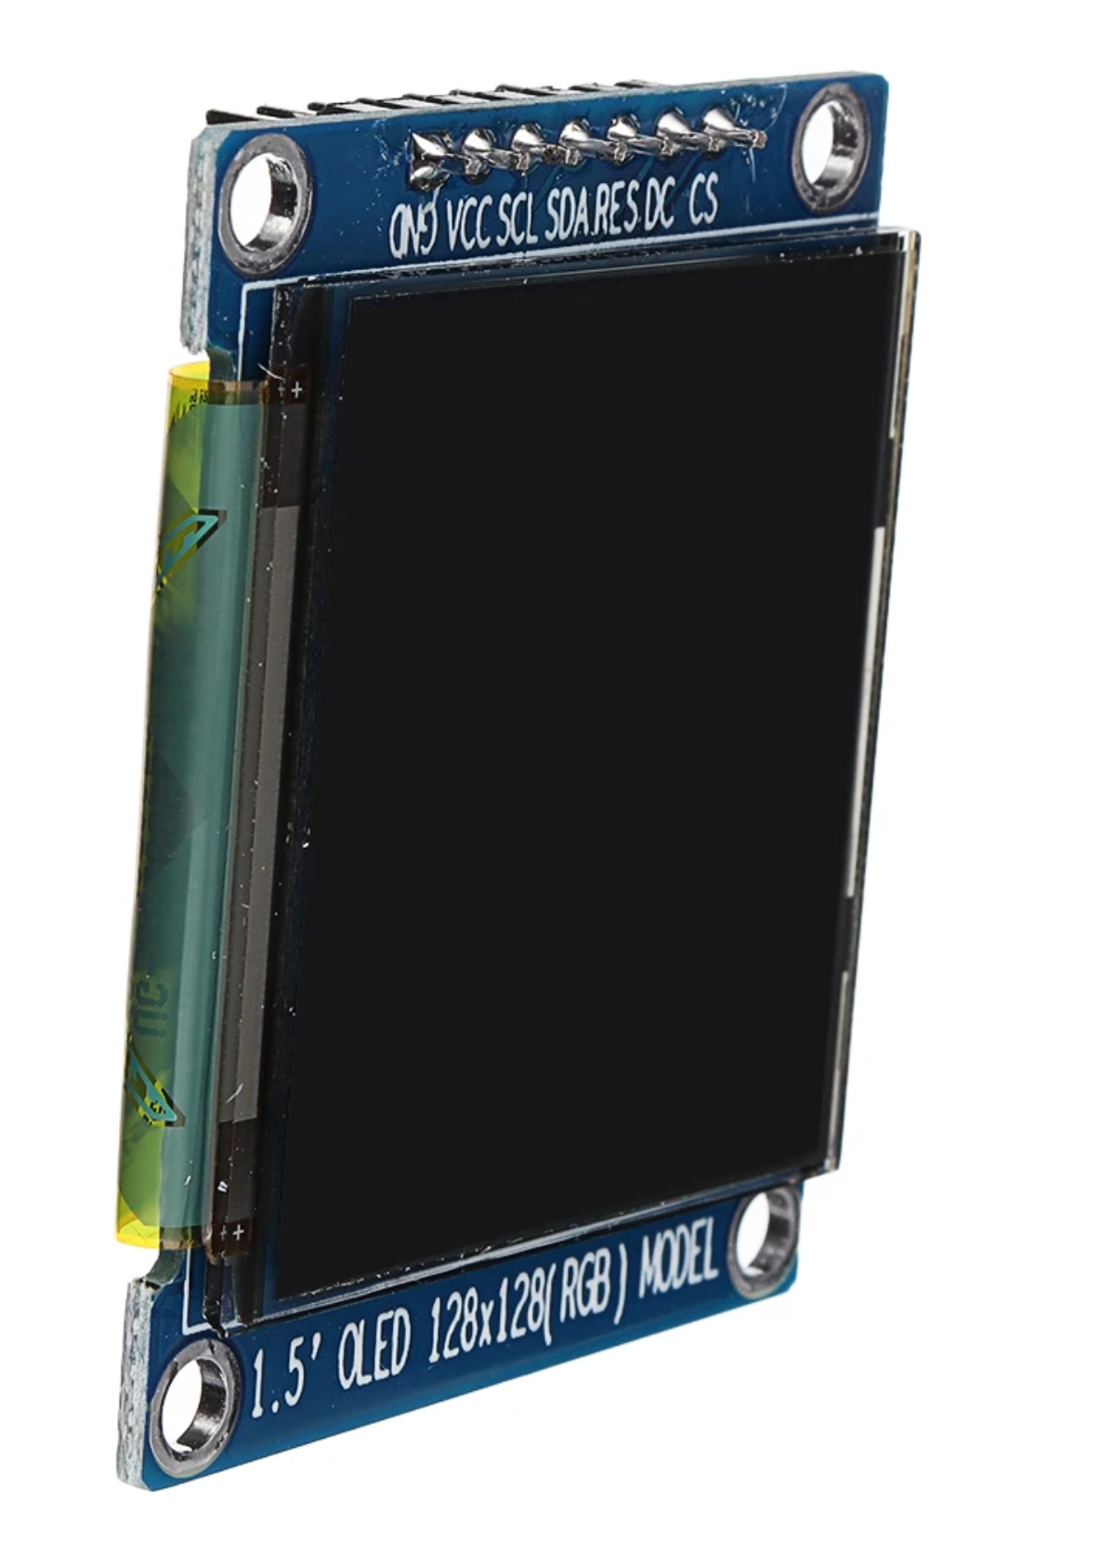
LITOS REV 3
The BOM list is divided into two categories: PCB and additional elements. For each item, the manufacturer's article number is noted, as well as the Mouser article number. Of course you can get the parts from the distributor of your choice, the Mouser number is only used for eventual reconciliation. |  |  |  |  |  |  | Total number of parts: | 52
 |  |  |  |  |  |  | Number of unique parts: | 23
 |  |  |  |  |  |  | Number of Through-Hole parts: | 10
 |  |  |  |  |  |  | Number of SMT Parts: | 42

Items for PCB

Item | Qty | Reference(s) | Value/ Type | Package | Mouser No | Mfr. No | Manufacturer | Description
1 | 1 | BZ1 | Buzzer | THD | 665-AI1223TWT3V2R | AI-1223-TWT-3V-2-R | PUI Audio | Piezo Buzzers & Audio Indicators EM 3VDC 2300Hz 82dBA Continuous Top Fire
2 | 3 | C1, C3, C21 | 22 uF/10V (20%) | 0603 |  |  |  | Ceramic Capacitor
3 | 4 | C2, C8, C12, C13 | 10nF/ 10V (20%) | 0603 |  |  |  | Ceramic Capacitor
4 | 7 | C4, C6, C9, C11, C14, C16, C22 | 0.1 uF/50V (10%) | 0603 |  |  |  | Ceramic Capacitor
5 | 3 | C5, C7, C10 | 4.7 uF/6.3V (10%) | 0603 |  |  |  | Ceramic Capacitor
6 | 1 | F1 | Polyfuse 500mA | 0805 | 576-0805L050 | 0805L050WR | Littelfuse | Resettable Fuses - PPTC 0.50A 6V 0805
7 | 1 | J1 | Barrel_Jack_MountingPin | THD | 992-CON-SOCJ-2155 | CON-SOCJ-2155 | Gravitech | DC Power Connectors Power Jack/Connector 2.1mm x 5.5mm
8 | 1 | J2 | HUB_75 | THD | 517-N2516-6002RB | N2516-6002RB | 3M | Headers & Wire Housings 16P STRT SOLDER TAIL HIGH TEMP
9 | 1 | J4 | female Header, low profile, 7 pin | THD | 200-CES10701LS | CES-107-01-L-S | Samtec | Headers & Wire Housings .100" Closed Entry Low Profile Socket Strip
 |  |  |  | or | 200-CES10702LS | CES-107-02-L-S | Samtec | Headers & Wire Housings .100" Closed Entry Low Profile Socket Strip
10 | 1 | J5 | Screw_Terminal_01x02 | THD | 490-TB002-500-02BE | TB002-500-02BE | CUI Devices | Fixed Terminal Blocks Terminal block, screw type, 5.00, horizontal, 2 poles, CUI Blue, slotted screw, PCB mount
11 | 1 | J6 | USB_B_Micro | THD/SMD | 649-10118193-0001LF | 10118193-0001LF | FCI / Amphenol | USB Connectors 5P MICRO USB TYPE B RECEPTACLE W/ PEGS
 |  | J7 | not populated / NC
12 | 1 | Q1 | IRF7607TRPBF | Micro-8 | 942-IRF7607TRPBF | IRF7607TRPBF | Infineon Technologies | MOSFET MOSFT 20V 6.5A 30mOhm 22nC Micro 8
13 | 2 | Q2, Q3 | SS8050-G | SOT-23-3 | 750-SS8050-G | SS8050-G | Comchip Technology | Bipolar Transistors - BJT NPN TRANSISTOR 1.5A 40V
14 | 1 | Q4 | IRF7410 | SO-8 | 942-IRF7410TRPBF | IRF7410TRPBF | Infineon | MOSFET MOSFT PCh -12V -16A 7mOhm 91nC
15 | 1 | R1 | 0R (5%) | 0603 |  |  |  | Thick Film Resistors
16 | 4 | R3, R5, R7, R9 | 1k (5%) | 0603 |  |  |  | Thick Film Resistors
17 | 9 | R2, R4, R6, R8, R10, R11, R12, R21, R22 | 10k (5%) | 0603 |  |  |  | Thick Film Resistors
18 | 1 | R13 | 4.7k (5%) | 0603 |  |  |  | Thick Film Resistors
19 | 2 | SW1, SW2 | SW push button | SMD | 611-PTS647SN50SMTR2L | PTS647SN50SMTR2LFS | C&K Switches | Tactile Switches 50mA 12VDC, 1.0N 5.0mm H, G leads
20 | 4 | SW3, SW4, SW5, SW6 | B3F-4050 | THD | 653-B3F-4050 | B3F-4050 | Omron Electronics | Tactile Switches 12x12mm Std Ht 7.3 Gen Purpose 130g
21 | 1 | U1 | AMS1117-3.3 | SOT-223-4 | 926-LM1117MPX3.3NOPB | LM1117MPX-3.3/NOPB | Texas Instruments | LDO Voltage Regulators 800MA LDO LINEAR REG
22 | 1 | U2 | ESP32-WROOM-32D | SMD | 356-ES32WROOM32D16MB | ESP32-WROOM-32D (16MB) | Espressif | WiFi Modules (802.11) SMD Module, ESP32-D0WD, 128Mbits SPI flash, UART mode, PCB antenna
23 | 1 | U3 | FT231XS | SSOP-20 | 895-FT231XS-R | FT231XS-R | FTDI | USB Interface IC USB to Full Serial UART IC SSOP-20
 |  |  |  | or | 895-FT231XS-U | FT231XS-U | FTDI | USB Interface IC USB to Full Serial UART IC SSOP-20

Additional items

Item | Qty | Reference(s) | Value/ Type | Package | Mouser No | Mfr. No | Manufacturer | Description
1 | 1 | for SW 3 | Switch Cap |  | 653-B32-1380 | B32-1380 | Omron Electronics | Switch Bezels / Switch Caps 12MM X 12MM RED CAP
2 | 1 | for SW 4 | Switch Cap |  | 653-B32-1330 | B32-1330 | Omron Electronics | Switch Bezels / Switch Caps 12X12 KEYCAP YELLOW
3 | 1 | for SW 5 | Switch Cap |  | 653-B32-1340 | B32-1340 | Omron Electronics | Switch Bezels / Switch Caps 12X12 KEYCAP BLUE
4 | 1 | for SW 6 | Switch Cap |  | 653-B32-1350 | B32-1350 | Omron Electronics | Switch Bezels / Switch Caps Green 12x12 mm Key Top
5 | 1 | will be mounted on J4 through male/female header interaction | OLED Display Module |  |  |  |  | 1.5 Inch OLED 128x128 Display Color LCD Screen SSD1351 with 2.54mm male headers already soldered in place from your local supplier, for ex. Banggood
 |  |  |  |  |  |  |  | https://www.banggood.com/1_5-Inch-OLED-128x128-Display-Color-LCD-Screen-SSD1351-Color-OLED-p-1640372.html?rmmds=search&cur_warehouse=CN
 |  |  |  |  |  |  |  | or diymore (or any other local supplier)
 |  |  |  |  |  |  |  | https://www.aliexpress.com/item/4000380926640.html?spm=a2g0o.productlist.0.0.548369325ue1q2&algo_pvid=5896f03c-a7f9-48d4-8003-69a5ef36e5d7&algo_expid=5896f03c-a7f9-48d4-8003-69a5ef36e5d7-0&btsid=0ab6f83a15874801535014453e46c7&ws_ab_test=searchweb0_0,searchweb201602_,searchweb201603_
 |  |  |  |  |  |  |  | Important: Headers must be already soldered
 |  |  |  |  |  |  |  | also important: you must not include this version of this display (https://www.waveshare.com/wiki/1.5inch_RGB_OLED_Module (as no male headers are present)

